Sheet1
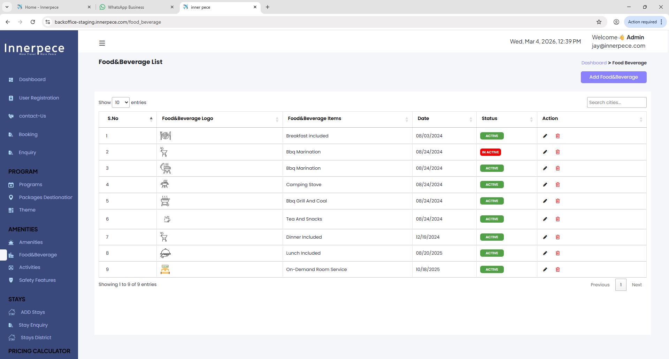
Project Name: | Innerpece
Module Name: | dashboard
Worked By: | Kannan K
Peer By:
Worked On: | 2026-04-03

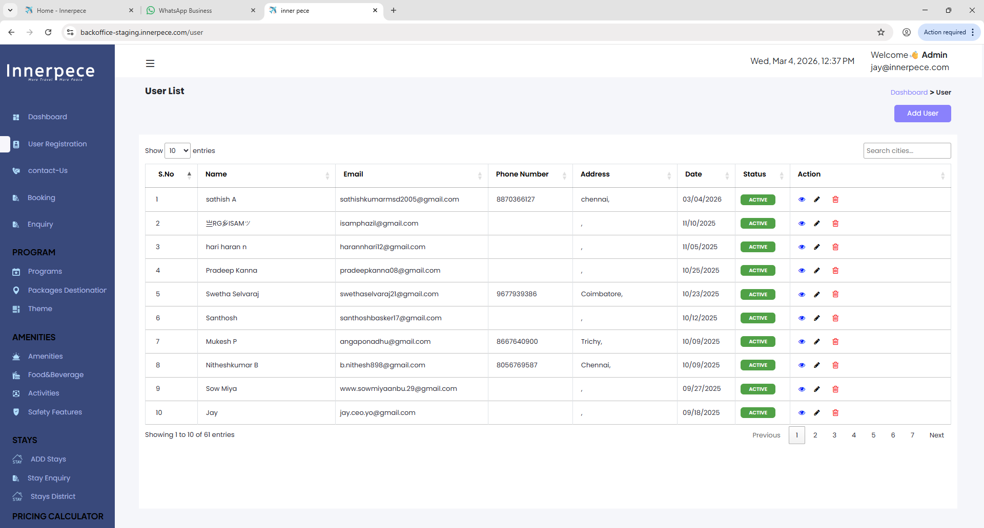
Test Scenario | Test Case ID | Test Case Description | Procondion | Test Steps | Test Data | Expected Result | Actual Result | Status | Screenshots
To Verify Login Page | TC-01 | Check Login page | User should have network and browser | Step-01: Open browser Step-02: Enter Url : https://backoffice-staging.innerpece.com Step-03: Go to login page Step-04: Enter valid email Step-04: Enter valid password | Username: jay@innerpece.com Password: nzLPyw~]G?L2 | Login page should be opened | Login page opened as expected | Pass
To Verify Safety Features Logo | TC-02 | Check all Safety Features Logo | User should have network and browser | Step-01: Open browser Step-02: Enter Url : https://backoffice-staging.innerpece.com/ Step-03: Go to login page Step-04: Scroll down to Safety Features Step-05: Click Safety Features | N/A | In Safety Features Page, All logo should be displayed. | From Serial no : 1 to 6 Logo is not displayed | Fail | 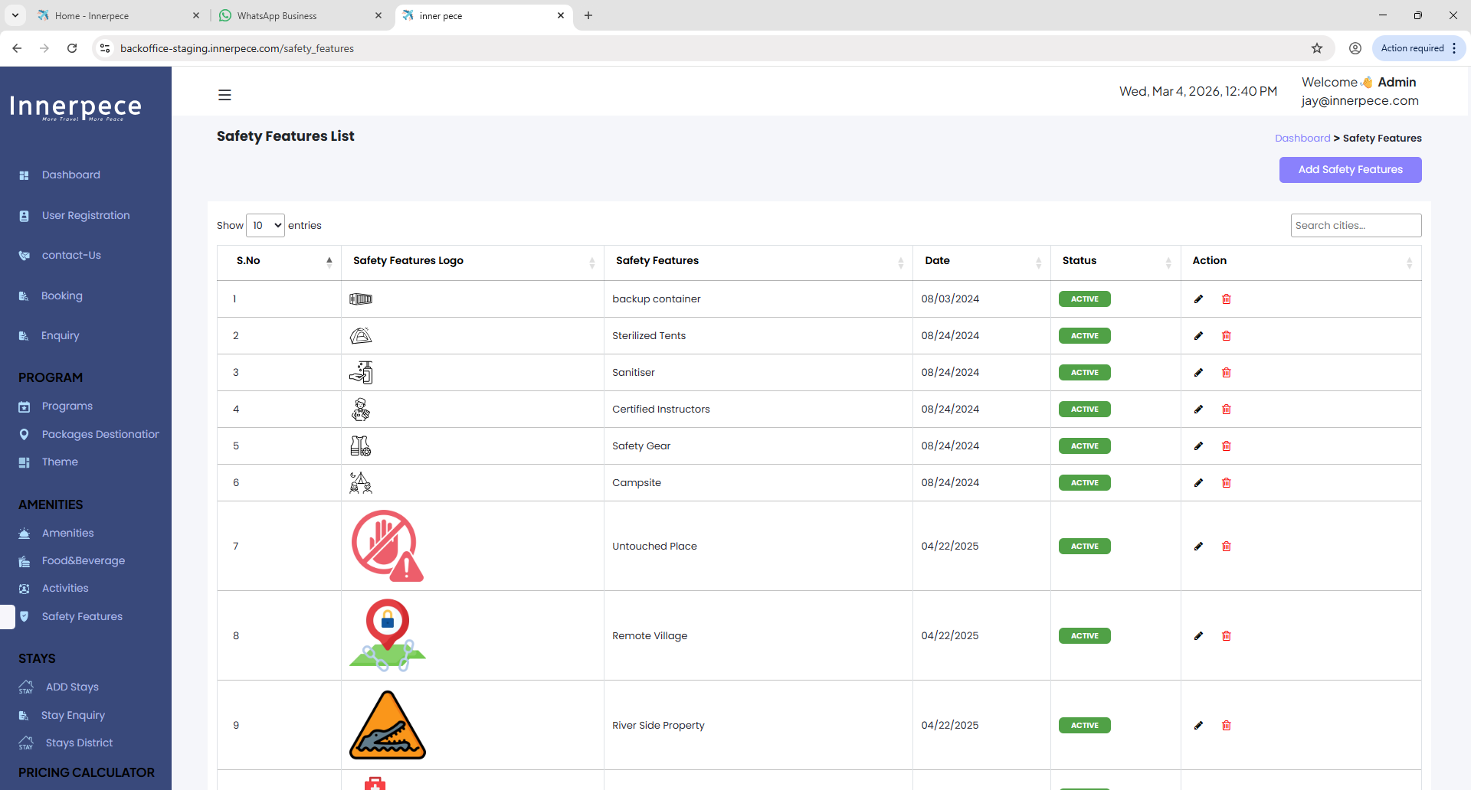
To Verify Food&Beverage Logo | TC-03 | Check all Food&Beverage Logo | User should have network and browser | Step-01: Open browser Step-02: Enter Url : https://backoffice-staging.innerpece.com/ Step-03: Go to login page Step-04: Scroll down to Food&Beverage Step-05: Click Food&Beverage | N/A | In Food&Beverage Page, All logo should be displayed. | From Serial no : 1 to 8 Logo is not displayed | Fail
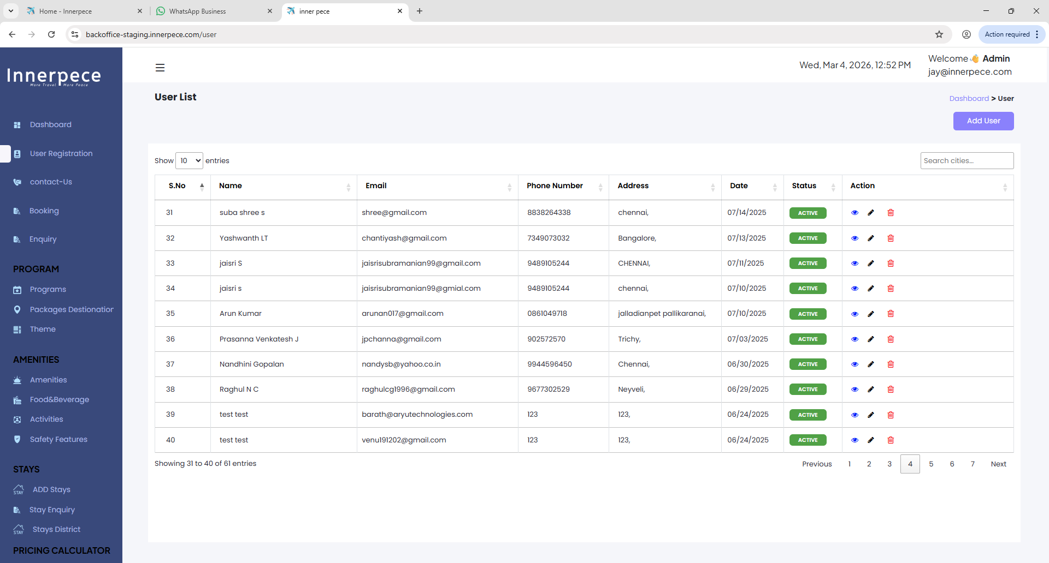
To Verify search box text on all pages | TC-04 | Check search box text on all page | User should have network and browser | Step-01: Open browser Step-02: Enter Url : https://backoffice-staging.innerpece.com/ Step-03: Go to all page | N/A | In all pages search box text should be different | In All pages search box content showing "Search Cities" | Fail
To Verify all page name function | TC-05 | Check all page name function | User should have network and browser | Step-01: Open browser Step-02: Enter Url : https://backoffice-staging.innerpece.com/ Step-03: Go to all page | N/A | All page name function should stay on click function | All page name function isn't staying when clicking | Fail
To Verify copy right content | TC-11 | Check Copy right content | User should have network and browser | Step-01: Open browser Step-02: Enter Url : https://backoffice-staging.innerpece.com/ Step-03: Go to login page Step-04: Go to General Setting | N/A | Copy right content should show "Copyright © 2026 by Innerpece. All Rights Reserved" | Copy right content is showing "Copyright © 2025 by Innerpece. All Rights Reserved" | Fail
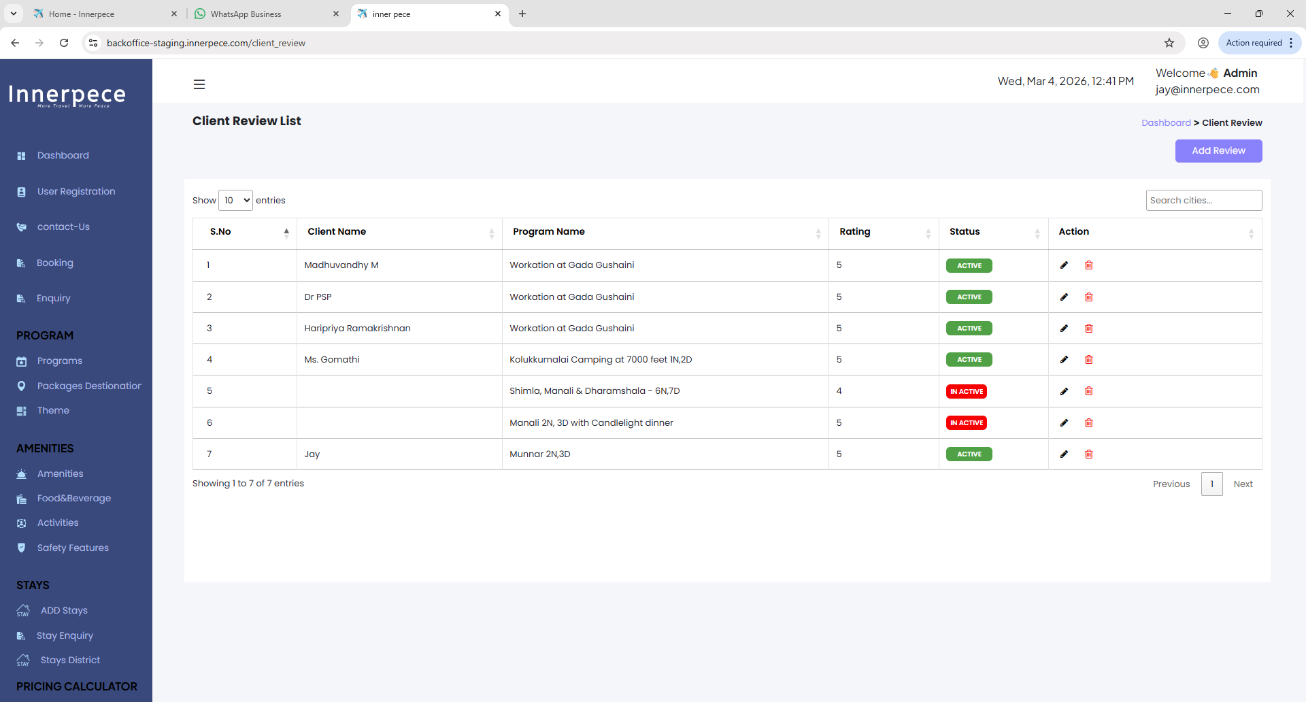
To Verify Review | TC-06 | Check Client Review List | User should have network and browser | Step-01: Open browser Step-02: Enter Url : https://backoffice-staging.innerpece.com/ Step-03: Go to login page Step-04: Scroll down to Review Step-05: Click Review | N/A | In Review page all client name should be creadentialed | S.no : 5 & 6 , Client Name is not credentialed | Fail
To Verify User Registration | TC-07 | Check User Registration | User should have network and browser | Step-01: Open browser Step-02: Enter Url : https://backoffice-staging.innerpece.com/ Step-03: Go to login page Step-04: Go to User Registration Page | N/A | In Registration Page all data should be credentialed | In Registration Page , s.no 2,3,4,9 and 10 phone number and addresses were not credentialed | Fail
To Verify User Registration | TC-08 | Check User Registration | User should have network and browser | Step-01: Open browser Step-02: Enter Url : https://backoffice-staging.innerpece.com/ Step-03: Go to login page Step-04: Go to User Registration Page 02 | N/A | In Registration Page 02 all data should be credentialed | In Registration Page 02 , s.no 12 and 14 phone number and addresses were not credentialed | Fail | 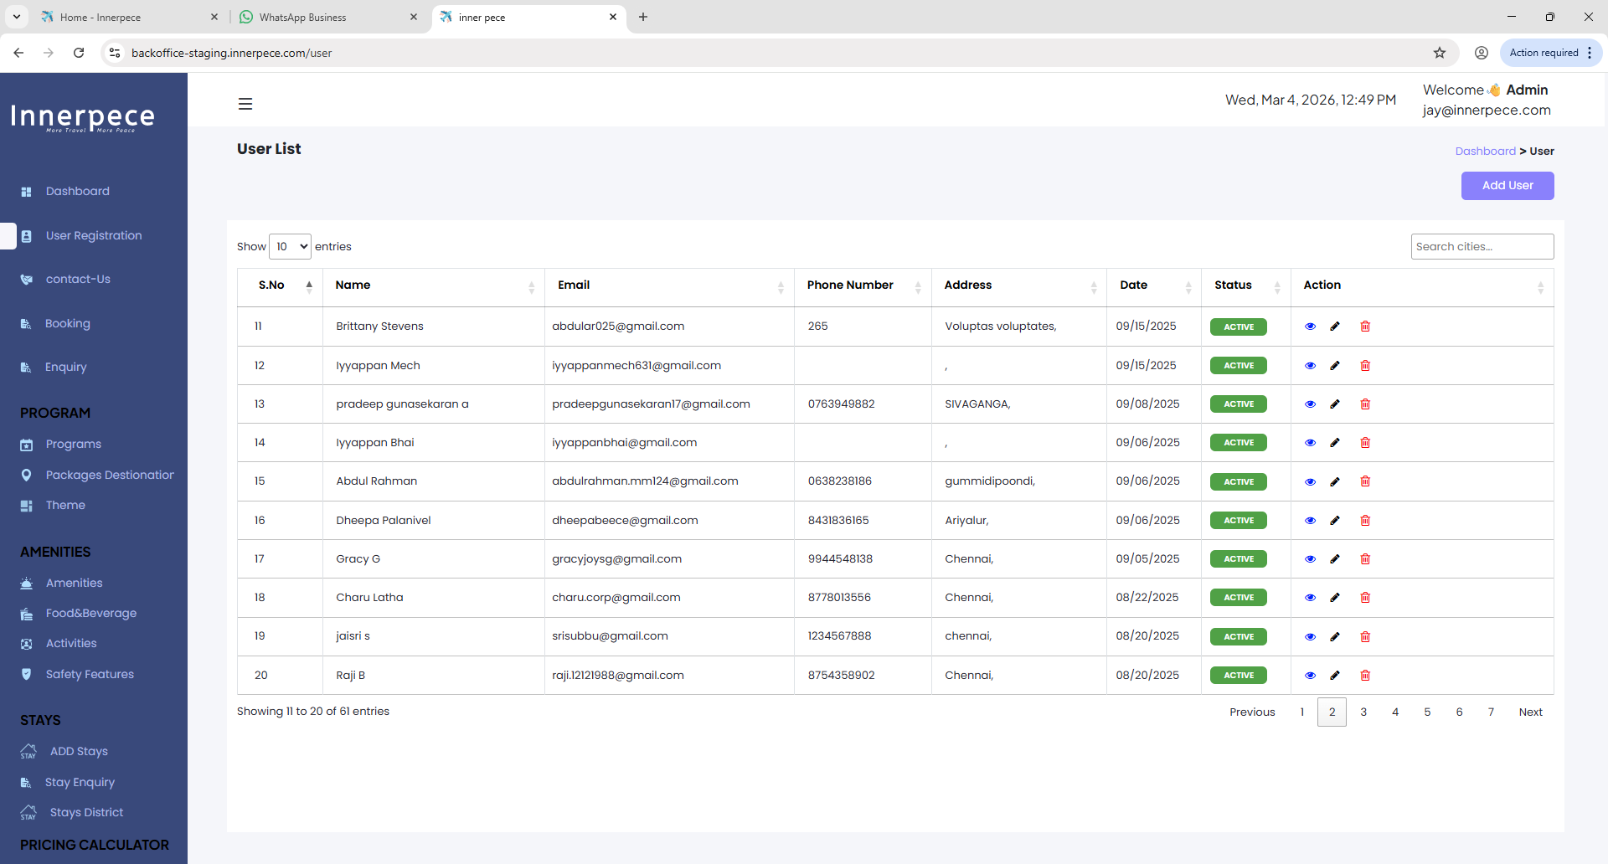
To Verify User Registration | TC-09 | Check User Registration | User should have network and browser | Step-01: Open browser Step-02: Enter Url : https://backoffice-staging.innerpece.com/ Step-03: Go to login page Step-04: Go to User Registration Page 04 | N/A | In Registration Page 04 all data should be credentialed | In Registration Page 04 , s.no 39 and 40 phone number and addresses were not credentialed | Fail
To Verify User Registration | TC-10 | Check User Registration | User should have network and browser | Step-01: Open browser Step-02: Enter Url : https://backoffice-staging.innerpece.com/ Step-03: Go to login page Step-04: Go to User Registration Page 04 | N/A | In Registration Page 05 all data should be credentialed | In Registration Page 05 , s.no 41,42,43 and 50 phone number and addresses were not credentialed | 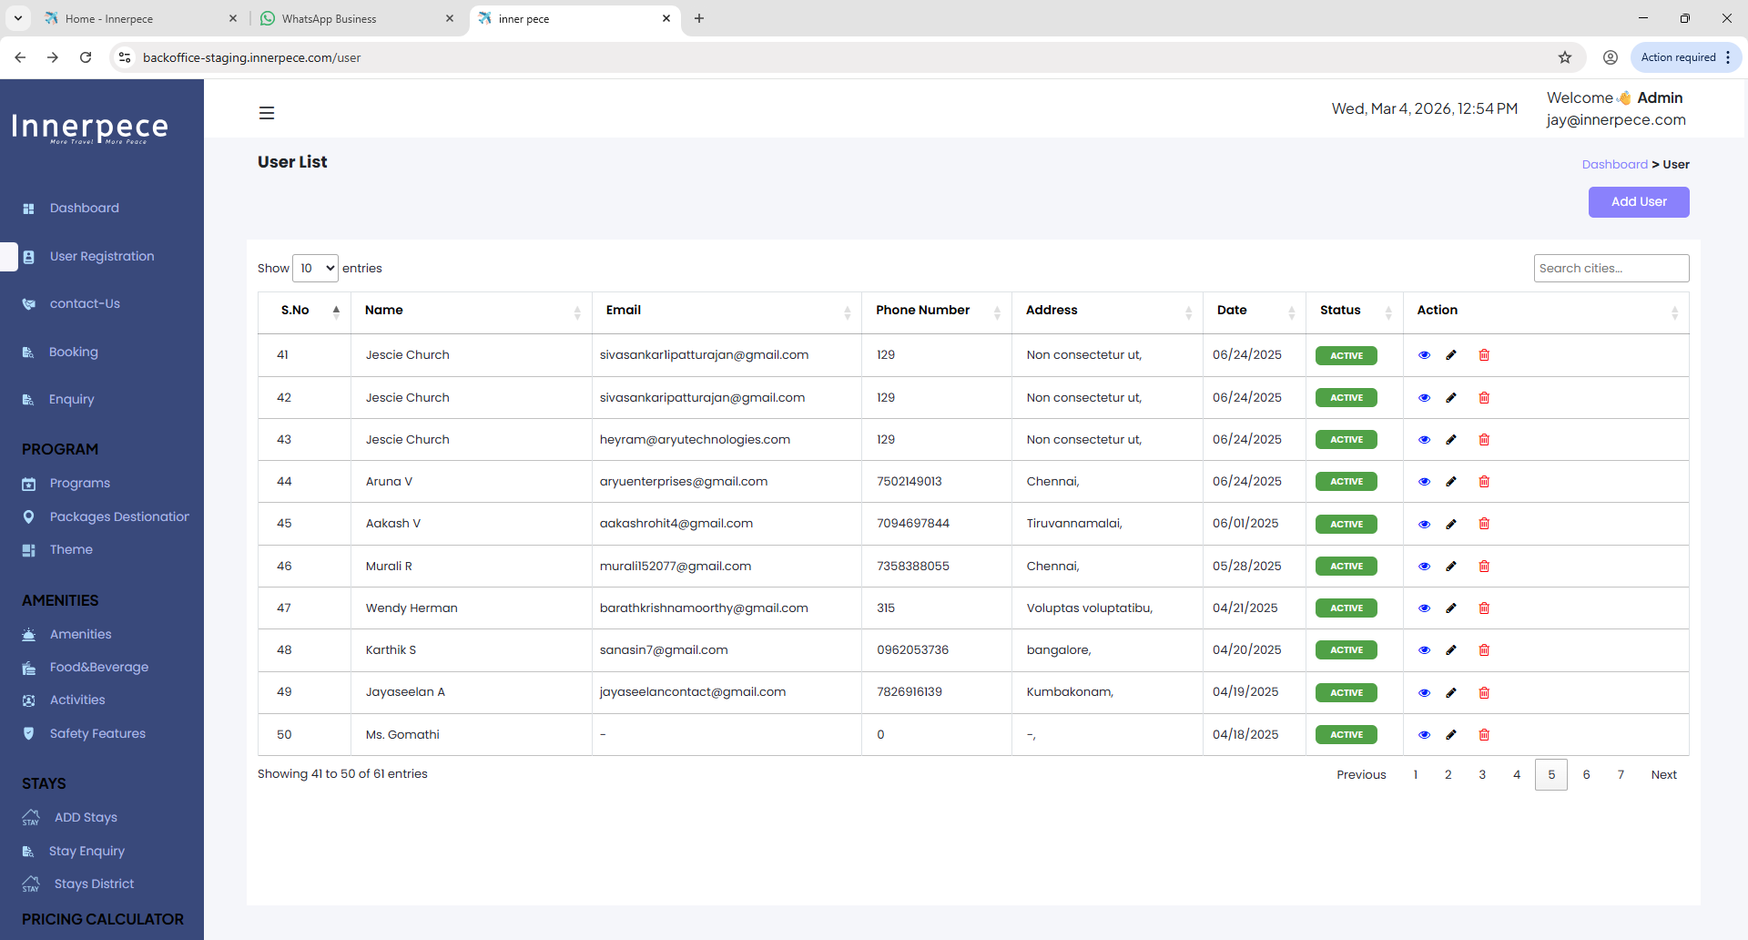 Fail

